Sheet1
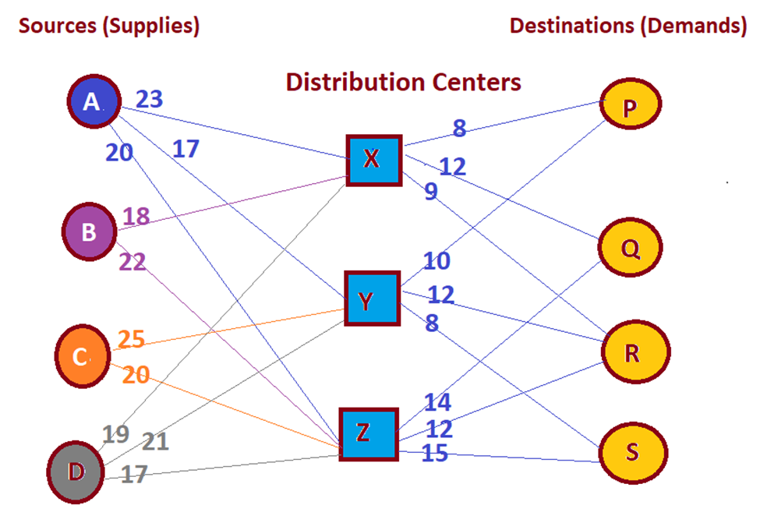
Minimize Z = ∑ CijXij , i=A, B, C, D, X, Y, Z j= X, Y, Z, P, Q, R, S | Model | X | Y | Z | P | Q | R | S |  | Cost | X | Y | Z | P | Q | R | S
Sources constraints (supplies): | A | Xax | Xay | Xaz | Xap | Xaq | Xar | Xas |  | A | 23 | 17 | 20 | 1000 | 1000 | 1000 | 1000
Source A: Xax + Xay + Xaz ≤ 32,500 | B | Xbx | Xby | Abz | Xbp | Xbq | Xbr | Xbs |  | B | 18 | 1000 | 22 | 1000 | 1000 | 1000 | 1000
Source B: Xbx + Xby + Xbz ≤ 41,200 | C | Xcx | Xcy | Xcz | Xcp | Xcq | Xcr | Xcs |  | C | 1000 | 25 | 20 | 1000 | 1000 | 1000 | 1000
Source C: Xxc + Xcy +Xcz ≤ 18,000 | D | Xdx | Xdy | Xdz | Xdp | Xdq | Xdr | Xds |  | D | 19 | 21 | 17 | 1000 | 1000 | 1000 | 1000
Source D: Xxd+ Xdy + Xdz ≤ 22,500 | X | Xxx | Xxy | Xxz | Xxp | Xxq | Xxr | Xxs |  | X | 1000 | 1000 | 1000 | 8 | 12 | 9 | 1000
Destination Constraints (demands): | Y | Xyx | Xyy | Xyz | Xyp | Xyq | Xyr | Xys |  | Y | 1000 | 1000 | 1000 | 10 | 1000 | 12 | 8
Destination P: Xxp + Xyp + Xzp ≤ 22,500 | Z | Xzx | Xzy | Xzz | Xzp | Xzq | Xzr | Xzs |  | Z | 1000 | 1000 | 1000 | 1000 | 14 | 12 | 15
Destination Q: Xxp + Xyp + Xzp ≤ 35,000
Destination R: Xxp + Xyp + Xzp ≤ 39,700
Destination S: Xxp + Xyp + Xzp ≤ 16,800
Node Constraints (conservation of flow): | Decision Values | X | Y | Z | P | Q | R | S | Shipped from: |  |  |  | Total cost
Node X: Xax + Xbx + Xcx + Xdx = Xxp + Xxq + Xxr + Xxs | A | 0 | 32500 | 0 | 0 | 0 | 0 | 0 | 32500 | ≤ | 32,500 |  | $3,236,300.00
Node Y: Xay + Xby+ Xcy + Xdy = Xyp + Xyq + Xyr + Xys | B | 41200 | 0 | 0 | 0 | 0 | 0 | 0 | 41200 | ≤ | 41,200
Node Z: Xaz + Xbz + Xcz + Xdz = Xzp + Xzq + Xzr + Xzs | C | 0 | 0 | 17800 | 0 | 0 | 0 | 0 | 17800 | ≤ | 18,000
 | D | 5299.9999996 | 0 | 17200 | 0 | 0 | 0 | 0 | 22500 | ≤ | 22,500
 | X | 0 | 0 | 0 | 6799.9999996 | 0 | 39700 | 0 | 46500 | ≤ | 50,000
 | Y | 0 | 0 | 0 | 15700 | 0 | 0 | 16800 | 32500 | ≤ | 50,000
 | Z | 0 | 0 | 0 | 0 | 35000 | 0 | 0 | 35000 | ≤ | 50,000
 | Shipped to: | 46500 | 32500 | 35000 | 22500 | 35000 | 39700 | 16800
 |  | ≤ | ≤ | ≤ | ≥ | ≥ | ≥ | ≥
 |  | 50,000 | 50,000 | 50,000 | 22,500 | 35,000 | 39,700 | 16,800

